Sheet1
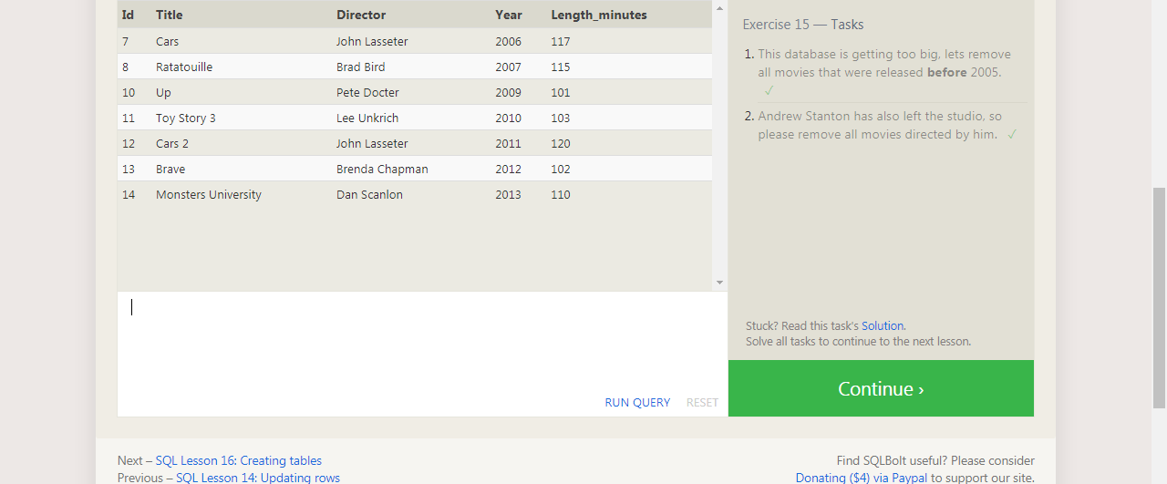
DELETE FROM movies
where year < 2005;

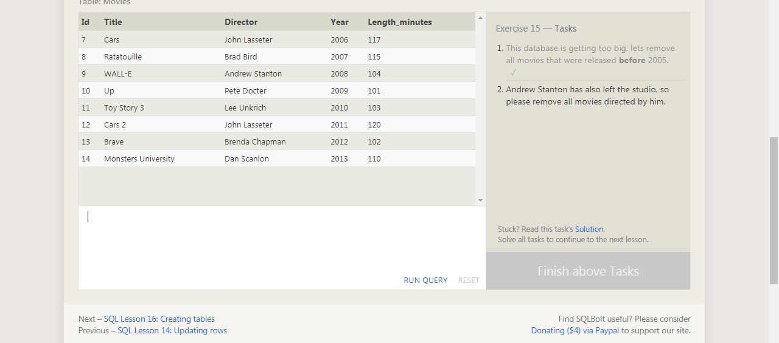

 | DELETE FROM movies
 | where director = "Andrew Stanton";

